Current Limit
Instructions: Select either a desired IOL or a desired ISC. IOL applies when the eFuse output voltage is high and ISC applies when the eFuse output is low. Set ISC above normal operating load current and set IOL below maximum power supply current.
Instructions

NIS5020/NIS5021
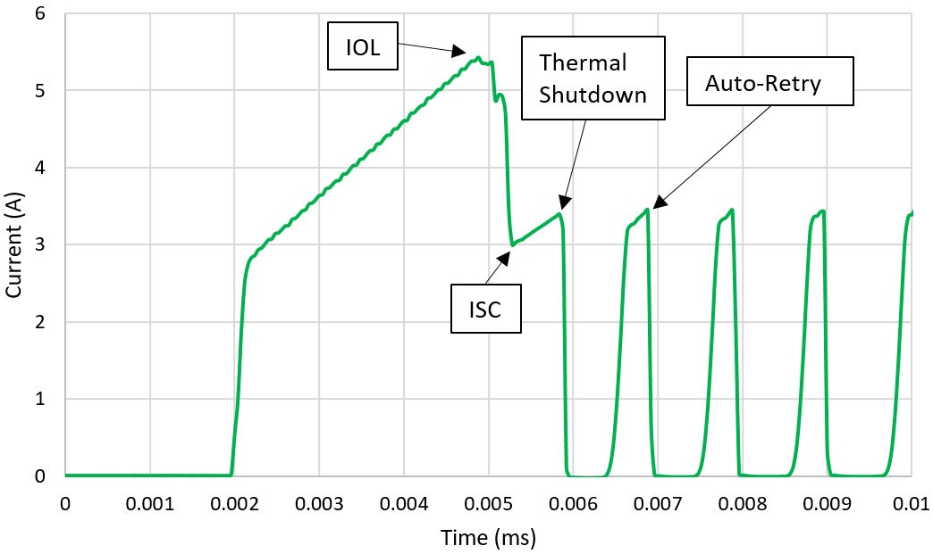
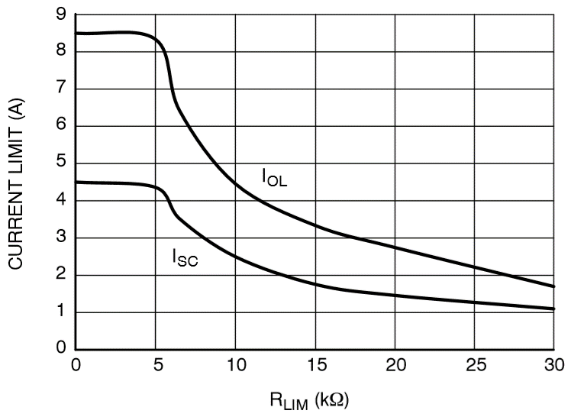

 |  | a
 |  |  | 0

IOL/ISC Instructions:
IOL = Overload Current Limit. This applies when the main power MOSFET inside the eFuse is in the linear/triode region. When the eFuse is operating normally and suddenly a fault appears the eFuse will enter current limiting at the IOL level.
ISC = Short Circuit Current Limit. This applies when the main power MOSFET inside the eFuse is in the saturation region. The eFuse will be in ISC during a start-up into a short or capacitive load, as well as after exceeding IOL.

Enter Desired IOL (A) | Rlim (kΩ) | Approximate ISC Value (A)
5.4 | 8.0 | 3
Enter Desired ISC (A) | Rlim (kΩ) | Approximate IOL Value (A)
2.5 | 10.0 | 4.4
Approximate values may have small mathematical rounding errors.

 |  |  |  | For D28 |  | For D30 |  | For E28 |  | For E30
 |  |  |  | IOL | Rlim | ISC | Rlim | Rlim | ISC | Rlim | IOL
 |  |  |  | 1.7 | 30 | 1.1 | 30 | 0 | 4.5 | 0 | 8.5
 |  |  |  | 1.8 | 29 | 1.1 | 29 | 1 | 4.5 | 1 | 8.5
 |  |  |  | 1.9 | 28 | 1.2 | 28 | 2 | 4.5 | 2 | 8.5
 |  |  |  | 2 | 27 | 1.2 | 27 | 3 | 4.5 | 3 | 8.5
 |  |  |  | 2.1 | 26 | 1.2 | 26 | 4 | 4.5 | 4 | 8.5
 |  |  |  | 2.2 | 25 | 1.3 | 25 | 5 | 4.4 | 5 | 8.3
 |  |  |  | 2.3 | 24 | 1.3 | 24 | 6 | 3.8 | 6 | 7
 |  |  |  | 2.4 | 23 | 1.3 | 23 | 7 | 3.3 | 7 | 6
 |  |  |  | 2.5 | 22 | 1.4 | 22 | 8 | 3 | 8 | 5.4
 |  |  |  | 2.6 | 21 | 1.4 | 21 | 9 | 2.7 | 9 | 4.9
 |  |  |  | 2.7 | 20 | 1.5 | 20 | 10 | 2.5 | 10 | 4.4
 |  |  |  | 2.9 | 19 | 1.5 | 19 | 11 | 2.3 | 11 | 4.1
 |  |  |  | 3 | 18 | 1.5 | 18 | 12 | 2.1 | 12 | 3.9
 |  |  |  | 3.1 | 17 | 1.6 | 17 | 13 | 2 | 13 | 3.7
 |  |  |  | 3.2 | 16 | 1.7 | 16 | 14 | 1.9 | 14 | 3.5
 |  |  |  | 3.3 | 15 | 1.8 | 15 | 15 | 1.8 | 15 | 3.3
 |  |  |  | 3.5 | 14 | 1.9 | 14 | 16 | 1.7 | 16 | 3.2
 |  |  |  | 3.7 | 13 | 2 | 13 | 17 | 1.6 | 17 | 3.1
 |  |  |  | 3.9 | 12 | 2.1 | 12 | 18 | 1.5 | 18 | 3
 |  |  |  | 4.1 | 11 | 2.3 | 11 | 19 | 1.5 | 19 | 2.7
 |  |  |  | 4.4 | 10 | 2.5 | 10 | 20 | 1.5 | 20 | 2.6
 |  |  |  | 4.9 | 9 | 2.7 | 9 | 21 | 1.4 | 21 | 2.5
 |  |  |  | 5.4 | 8 | 3 | 8 | 22 | 1.4 | 22 | 2.4
 |  |  |  | 6 | 7 | 3.3 | 7 | 23 | 1.3 | 23 | 2.3
 |  |  |  | 7 | 6 | 3.8 | 6 | 24 | 1.3 | 24 | 2.2
 |  |  |  | 8.3 | 5 | 4.4 | 5 | 25 | 1.3 | 25 | 2.1
 |  |  |  | 8.5 | 4 | 4.5 | 4 | 26 | 1.2 | 26 | 2
 |  |  |  | 8.5 | 3 | 4.5 | 3 | 27 | 1.2 | 27 | 1.9
 |  |  |  | 8.5 | 2 | 4.5 | 2 | 28 | 1.2 | 28 | 1.9
 |  |  |  | 8.5 | 1 | 4.5 | 1 | 29 | 1.1 | 29 | 1.8
 |  |  |  | 8.5 | 0 | 4.5 | 0 | 30 | 1.1 | 30 | 1.7

Controlled Slew Rate
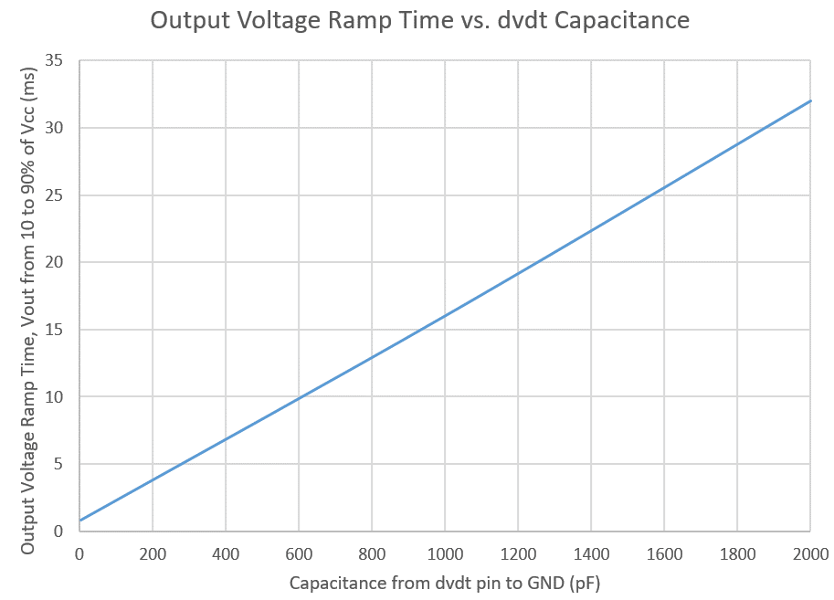
Output Voltage Ramp Time (ms) | Capacitance from dv/dt pin to GND (pF)
5.0 | 280

Thermal
Instructions: Enter PCB area (for copper connected to Vcc Pin per layer), current, and ambient temp in the green boxes. Observe the junction temperature and case top temperatures in the grey boxes. Copper thickness is 1 oz/sq foot.

 | 2 Layer | 4 Layer
Total Cu Area (mm^2) Per Layer | 1000 | 1000
 | 3
Average Current (A) | 2.5 | 2.5
Ambient Temp (°C) | 25 | 25

RDSon Estimate (mΩ) | 45 | 44
Junction Temperature (°C) | 45 | 41
Case Top Temperature (°C) | 44 | 40 |  |  | GND Cu Area (mm^2) | VCC Cu Area (mm^2) | Vout Cu Area (mm^2)
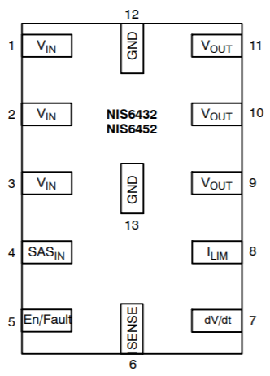
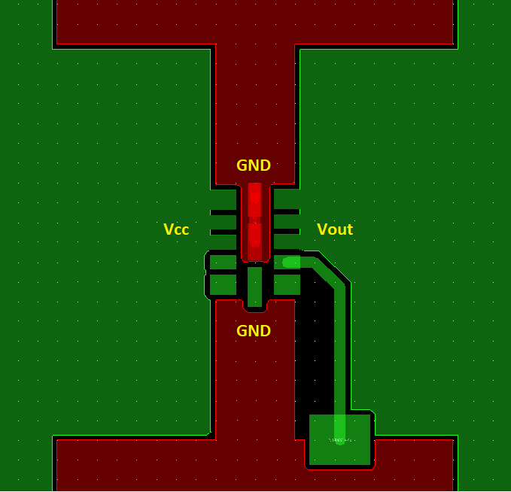
 |  |  |  | Top | 200 | 500 | 500
 |  |  |  | 2nd | 1200 | 0 | 0
 |  |  |  | 3rd | 200 | 500 | 500
NIS6420
 |  |  |  | Bottom | 1200 | 0 | 0

f

Example layout and basis for calculator. Be sure to add thermal vias to connect to other layers.

 |  |  | Sheet 3. Thermal Data

