Summary

Instructions
1) Enter supply voltage (RMS), typically 110 to 130 V or 220 to 240 V.
2) Enter LED voltage (instantaneous), typically 120 to 140 V or 240 to 280 V.
3) Enter total CCR current in A, for a 50 mA CCR, enter 0.05. CCRs may be paralleled so achieve higher currents.
4) Read output power , efficiency, power factor, and THD.
Notes:
To calculate LED voltage, multiply # of LEDs by individual LED Vf. For example, for 40 LEDs at Vf = 3.0, enter 120.
Low LED voltage: Better power factor and THD, lower efficiency.
High LED voltage: Worse power factor, and THD, but higher efficiency. Too high of an LED voltage may cause low light output at low supply voltage.
If the CCR is used alone without a VAK extender circuit (see Design Note about VAK extender on CCR part landing page on onsemi.com), typically the only part numbers to be considered for this are the NSIC2020JB, NSIC2030JB, and NSIC2050JB, since they are 120 V max parts.
 |  |  |  | Linear Constant Current Regulator Circuit
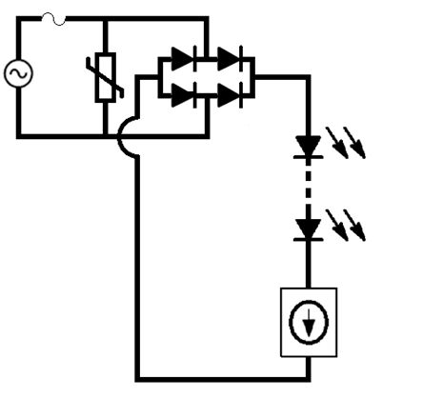

Input Parameters |  |  | Performance
Supply Voltage RMS | LED Voltage | Total CCR Current | Output Power | Efficiency | True Pf | THD
120 | 120 | 0.2 | 16.920 | 75.1% | 92.15% | 42.15%
Linear CCR Circuit - Voltage and Current Waveforms
 | LED Voltage | Bridge Supply Voltage Waveform | LED/CCR Current Waveform
 | 0 | 0 | 0
 | 0 | 1.0662848893 | 0
 | 0 | 2.1325276834 | 0
 | 0 | 3.198686289 | 0
 | 0 | 4.264718616 | 0
 | 0 | 5.3305825791 | 0
 | 0 | 6.3962361 | 0
 | 0 | 7.4616371085 | 0
 | 0 | 8.5267435442 | 0
 | 0 | 9.5915133588 | 0
 | 0 | 10.655904517 | 0
 | 0 | 11.719874998 | 0
 | 0 | 12.783382799 | 0
 | 0 | 13.846385933 | 0
 | 0 | 14.908842436 | 0
 | 0 | 15.970710363 | 0
 | 0 | 17.031947794 | 0
 | 0 | 18.092512833 | 0
 | 0 | 19.152363611 | 0
 | 0 | 20.211458286 | 0
 | 0 | 21.269755047 | 0
 | 0 | 22.327212114 | 0
 | 0 | 23.383787742 | 0
 | 0 | 24.439440218 | 0
 | 0 | 25.494127866 | 0
 | 0 | 26.54780905 | 0
 | 0 | 27.600442172 | 0
 | 0 | 28.651985675 | 0
 | 0 | 29.702398048 | 0
 | 0 | 30.75163782 | 0
 | 0 | 31.799663571 | 0
 | 0 | 32.846433925 | 0
 | 0 | 33.891907558 | 0
 | 0 | 34.936043197 | 0
 | 0 | 35.978799621 | 0
 | 0 | 37.020135663 | 0
 | 0 | 38.060010213 | 0
 | 0 | 39.09838222 | 0
 | 0 | 40.135210689 | 0
 | 0 | 41.170454689 | 0
 | 0 | 42.20407335 | 0
 | 0 | 43.236025867 | 0
 | 0 | 44.266271499 | 0
 | 0 | 45.294769575 | 0
 | 0 | 46.32147949 | 0
 | 0 | 47.346360713 | 0
 | 0 | 48.369372783 | 0
 | 0 | 49.390475312 | 0
 | 0 | 50.409627991 | 0
 | 0 | 51.426790583 | 0
...

