Spreadsheet
NCL3048x DESIGN TOOL
Version 0.0 |  |  |  |  | The cells highlited in this color needs input from the user
 |  |  |  |  | The cells highlited in this color are calculation results and must not be modified

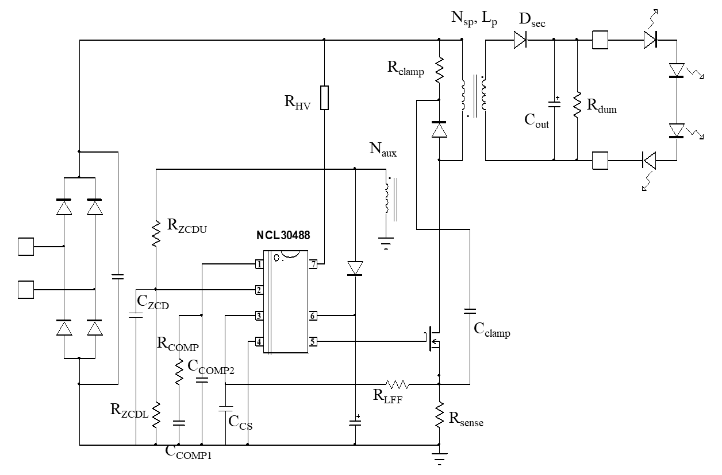
 | INPUT VOLTAGE
 | Vin,min | 90 | V rms |  | Minimum AC input voltage
 | Vin,max | 320 | V rms |  | Maximum AC input voltage
 | Vin,typ | 115 | V rms |  | Line voltage used for Lp calculation: should be 115 V rms for wide mains applications
 | Fline,min | 50 | Hz |  | Minimum line frequency
 | OUTPUT
 | Iout | 0.5 | A |  | Nominal Output current
 | Vout,min | 24 | V |  | Minimum output voltage for LED string
 | Vout,nom | 40 | V |  | Output voltage setpoint for CV mode
 | Pout,min | 12 | W |  | Minimum output power
 | Pout,max | 20 | W |  | Maximum output power
 | Rload | 80 | Ω |  | Output load resistance at Vout,nom
 | Vf | 1 | V |  | Output rectifier forward voltage drop (use 1 V if unknown)
 | η | 85% |  |  | Estimated efficiency
 | MOSFET
 | COSS | 100 | pF | 1E-12
 | Rdson110 | 1.8 | Ω |  | MOSFET Rdson at Tj = 110°C
 | BVdss | 800 | V |  | MOSFET breakdown voltage
 | Qg | 29 | nC | 0.000000001 | Total gate charge
 | tprop | 150 | ns | 0.000000001 | Total propagation delay time
 | OTHER
 | VCC,min | 11 | V |  | Desired value for VCC at Vout,min

 | FLYBACK TRANSFORMER CALCULATION
 | Kleak | 1% |  |  | Leakage inductance ratio (kleak = Lleak / Lp)
 | VDS,max | 680 | V |  | Maximum drain voltage after derating
 | VoutOVP | 52 | V |  | Output voltage value at which fast OVP triggers
 | kc | 1.5 |  |  | Estimated Clamping coefficient (kc = Vclamp / Vreflect):
 | Nsp,calc | 0.383 |  |  | Calculated Secondary to Primary turns ratio: Nsp = Ns / Np
 | Nsp | 0.469 |  |  | Enter your value for Nsp: must be equal or greater than Nsp,calc
 | Nauxp,calc | 0.225 |  |  | Calculated Auxiliary to Primary turns ratio: Nauxp = Naux / Np
 | Nauxp | 0.25 |  |  | Enter your value for Nauxp
 | Ipk,max | 1.582 | A |  | Maximum peak current at lowest line, sinus top
 | Fsw | 80 | kHz | 1000 | Target switching frequency at Vin,typ (must be below 130 kHz for good CC operation)
 | Lp,calc | 652.42 | µH | 0.000001 | Calculated primary inductance
 | Lp | 620 | µH | 0.000001 | Enter your value for Lp
 | Ipri,rms | 0.393 | A |  | Primary rms current at Vin,min and Vout,nom at sine top
 | Isec,rms | 1.012 |  |  | Secondary rms current at Vin,min and Vout,nom at sine top

 | IC COMPONENTS CALCULATION
 | Rsense,calc | 0.71 | Ω |  | Sense resistor calculation
 | Rsense | 0.7 | Ω |  | Enter your value for Rsense
 | VCC,nom | 20.9 | V |  | VCC value at Vout,nom
 | RLFF,calc | 806.5 | Ω |  | Line feedforward resistor calculation
 | RLFF | 1000 | Ω |  | Enter your value for RLFF
 | RZCDU | 43 | kΩ | 1000 | Choose a value for ZCD upper resistor between 20 k and 100 kΩ
 | KZCD | 5.244 |  |  | Ration RZCDU/RZCDL for CV setpoint
 | RZCDL,calc | 8.20 | kΩ | 1000 | ZCD lower resistor calculated
 | RZCDL | 8.20 | kΩ | 1000 | ZCD lower resistor

 | POWER COMPONENTS
 | Vsec,max | 265.21 | V |  | Output rectifier peak inverse voltage
 | BVdiode | 451 | V |  | Breakdown voltage of secondary rectifier
 | KIout,PPR | 0.33 |  |  | Ratio peak to peak ripple over dc output current (cannot be greater than 1 to respect flicker index)
 | RLED,min | 12 | Ω |  | Minimum dynamic resistance of LED
 | Cout,min | 793 | µF | 0.000001 | Minimum output capacitor value
 | Cout | 660 | µF | 0.000001 | Enter the output capacitor value
 | rESR | 0.020 | Ω |  | total ESR of output capacitor
 | Icout,rms | 0.880 | A |  | Output capacitor rms current

 | CLAMPING NETWORK
 | Vclamp | 207.52 | V |  | Clamping voltage
 | Lleak | 6.2 | µH | 0.000001 | Estimated leakage inductance
 | Tsw,OVP | 23.93 | µs | 0.000001 | Approximated switching period at sine top for Vout,OVP and Vin,min
 | Rclamp,calc | 37.85 | kΩ | 1000 | Calculated value for Clamping resistor
 | Rclamp | 42 | kΩ | 1000 | Enter your value for the clamping resistor
 | Cclamp | 5.70 | nF | 0.000000001 | Calculated value for clamping capacitor

 | COMPENSATION NETWORK for COMP pin
 | Fc | 10 | Hz |  | Cross over frequency
 | PM | 60 | ° |  | Phase margin needed
 | PBoost | 60 | ° |  | Needed phase boost
 | HFc | 6.1188 |  |  | Power stage gain at crossover frequency
 | RCOMP,calc | 51447 | Ω |  | COMP pin calculated resistor
 | RCOMP | 56000 | Ω |  | Enter your value fro COMP pin resistor
 | fzCOMP | 2.979 | Hz |  | Compensator zero frequency
 | CCOMP1 | 9.542E-07 | F |  | COMP pin capacitor for the zero of compensator transfer function
 | fpCOMP | 41.931 | Hz
 | CCOMP2 | 6.778E-08 | F |  | COMP pin capacitor for the pole of compensator transfer function.
 |  |  |  |  | NOTE: to filter correctly the 100 Hz ripple, it might be necessary to decrease the calculated fpCOMP. In this case, need to shift the crossover frequency lower.

