NCP81295 Design Tool
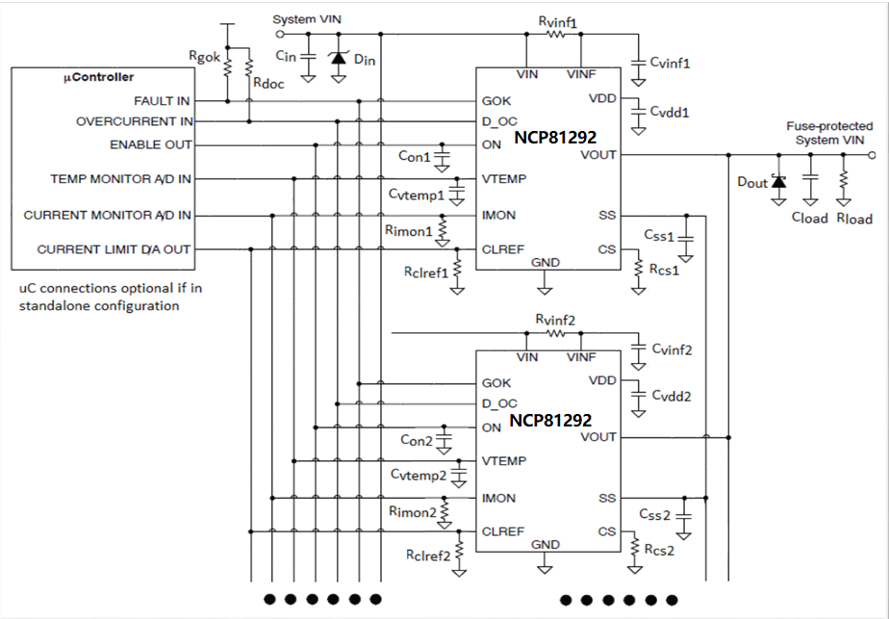
NCP81292 Design Aid Version 1.0
Maximum CLOAD vs SoftStart Time (CS = 2kΩ, RLOAD = 1.2Ω, VIN = 12V)
 | 6x | 4x | 3x | 2x | 1x
10 | 8.1 | 5.4 | 4.05 | 2.7 | 1.5
20 | 10.8 | 7.2 | 5.4 | 3.6 | 2
30 | 16.2 | 10.8 | 8.1 | 5.4 | 3
40 | 24.3 | 16.2 | 12.15 | 8.1 | 4.5
50 | 31.32 | 20.88 | 15.66 | 10.44 | 5.8
60 | 37.8 | 25.2 | 18.9 | 12.6 | 7
70 | 43.2 | 28.8 | 21.6 | 14.4 | 8
80 | 48.6 | 32.4 | 24.3 | 16.2 | 9
90 | 54 | 36 | 27 | 18 | 10
100 | 59.4 | 39.6 | 29.7 | 19.8 | 11
120 | 70.2 | 46.8 | 35.1 | 23.4 | 13
140 | 86.4 | 57.6 | 43.2 | 28.8 | 16


User Input | -> USER INPUT REQUIRED
Results
Constants
Error (Outside Limits)

INPUTS VARIABLE: |  | USER INPUT |  |  |  |  | LIMITS: | MIN | MAX
Input Voltage | VIN | 12 | V | Input System VIN voltage |  |  | VINL | 4.5 | 16 | Used for conditional format rules
Max Continous Current (DOC Trip) | IMAX | 20 | A | Input maximum continous system current required |  |  | TSSL | 10 | 100 | Used for conditional format rules
Soft Start Time | TSS | 120 | ms | Input target soft start time |  |  | VIMONX | 0 | 3 | Used for conditional format rules
Devices in Parallel | COUNT | 1 |  | Input amount of devices used in parallel |  |  | IAVEL | 0 | 50 | Used for conditional format rules
VIMON Voltage @ IMAX | VIMONX | 1.0 | V | Input maximum VIMON target voltage into ADC @ max continous current |  |  | IPEAKL | 0 | 60 | Used for conditional format rules
ON Startup Delay | TON | 1.0 | ms | Input delay required from VIN >UVLO to SoftStart (If ON not externally driven) |  |  | VCLREFL | 0.2 | 1.4 | Used for conditional format rules
 |  |  |  |  |  |  | TONL | 0.6 |  | Used for conditional format rules
CONSTANTS: |  |  |  |  |  |  | RCSL | 1.8 | 4 | Used for conditional format rules
Max Continuous Current per device | IMAXC | 20.0 | A | From Datasheet Max IAVE
SS Source Current | ISS | 5.2 | uA | From Datasheet Typical
Soft Start Voltage Gain | AVSS | 10 | V/V | From Datasheet Typical
IMON Current Gain | AIMON | 10 | uA/A | From Datasheet Typical
CS Current Gain | ACS | 10 | uA/A | From Datasheet Typical
CLREF Source Current | ICLREF | 10 | uA | From Datasheet Typical
OCP Trip point | VCL_TH | 100 | % | From Datasheet Typical
DOC Trip Point | VOC_TH | 86 | % | From Datasheet Typical
ON Current Source | ION | 5 | uA | From Datasheet Typical
ON Rising Trip Point | VSWON | 1.4 | V | From Datasheet Typical

COMPONENT OUTPUTS FIXED:
VINF Filter Resistor (ONE PER DEVICE) | RVINF | 1 | Ω | Recommended to be fixed (DO NOT short VINF node together when in parallel)
VINF Filter Capacitor (ONE PER DEVICE) | CVINF | 0.1 | uF | Recommended to be fixed (DO NOT short VINF node together when in parallel)
GOK pullup R | RGOK | 10 | kΩ | User selectable based on system (Can short DOC nodes together when in parallel, only one pullup required if shorted)
DOC pullup R | RDOC | 10 | kΩ | User selectable based on system (Can short GOK nodes together when in parallel, only one pullup required if shorted)
VTEMP filter cap (ONE PER DEVICE) | CVTEMP | 0.1 | uF | Recommended to be fixed (Can short VTEMP nodes together when in parallel, will output highest device temp)
VDD filter CAP (ONE PER DEVICE) | CVDD | 4.7 | uF | Recommended to be fixed (DO NOT short VDD nodes together when in parallel)
Current set resistor (ONE PER DEVICE) | RCS | 2 | kΩ | Recommended to be fixed @ 2kΩ for all designs (DO NOT Short together when in Parallel).

COMPONENT OUTPUTS VARIABLE: |  | CALCULATED |  | USER INPUT |  | User input for closest component value
Soft Start Capacitor (ONE PER DEVICE) | CSS | 520 | nF | 447 | nF | Calculation based on one component per device*. (Must connect SS nodes together when in parallel to allow current sharing during soft start)
Current Limit Resistor (ONE PER DEVICE) | RCLREF | 50.47 | kΩ | 52.30 | kΩ | Calculation based on one component per device*. (Recommended to connect CLREF nodes together when in parallel to increase accuracy)(RCLREF not required when driven by external source)
Current Monitor Resistor (ONE PER DEVICE) | RIMON | 5.000 | kΩ | 5.000 | kΩ | Calculation based on one component per device*. (Recommended to connect IMON nodes together when in parallel to increase accuracy)
ON Delay Capacitor (ONE PER DEVICE) | CON | 0.0 | nF | 0.0 | nF | Calculation based on one component per device*. (Must connect ON nodes together when in parallel)(CON not required if ON externally driven)
 |  |  |  |  |  | *Can combine component values together into one master component if desirable.
RESULTS:
Current Limit Set Voltage | VCLREF | 0.505 | V | 0.523 | V | Standalone VCLREF generated voltage (Can drive externally at this voltage to create same limits)
VIMON Transresistance(rm) | RMIMON | 50.0 | mV/A | 50.0 | mV/A | Used to calculate voltage to current conversion ratio in ADC converter. (Calculation based on combined value with CLREF nodes shorted)
Soft Start time | SS TIME | 120.0 | ms | 103.2 | ms
Over Current latchoff/hiccup (Peak) | IOCP | 23.5 | A | 24.5 | A | PCB Resistance and RDSON matching will affect this value when in parallel (Based on perfectly matched devices)
Peak Current per device | IPEAK | 23.5 | A | 24.5 | A
Over Current Indicator(DOC) | IDOC | 20.0 | A | 20.8 | A | PCB Resistance and RDSON matching will affect this value when in parallel (Based on perfectly matched devices)
Max Continous Current per device | IAVE | 20.0 | A | 20.8 | A
VIMON Voltage @ DOC | VIMONX1 | 1.00 | V | 1.04 | V | Maximum VIMON voltage into ADC during normal operation (Up until DOC trip point)
VIMON Voltage @ Peak | VIMONX2 | 1.18 | V | 1.22 | V | Maximum VIMON voltage into ADC over entire current range (Up until current limit/latchoff/hiccup trip point)
ON Startup Delay | TON | 1.0 | ms | 1.0 | ms | Delay from VIN >UVLO to SoftStart (If ON not externally driven)

COMPONENT OUTPUTS COMBINED:
Soft Start Capacitor * COUNT in parallel | CSS_T | 520 | nF | 447 | nF | Value when SS nodes are shorted together and only one master component is shared across all devices in parallel
Current Limit Resistor / COUNT in parallel | RCLREF_T | 50.47 | kΩ | 52.30 | kΩ | Value when CLREF nodes are shorted together and only one master component is shared across all devices in parallel
Current Monitor Resistor / COUNT in parallel | RIMON_T | 5.000 | kΩ | 5.000 | kΩ | Value when IMON nodes are shorted together and only one master component is shared across all devices in parallel
ON Delay Capacitor * COUNT in parallel | CON_T | 0.0 | nF | 0.0 | nF | Value when ON nodes are shorted together and only one master component is shared across all devices in parallel

